Specification
 |  |  |  |  |  |  |  |  |  |  |  |  |  |  | 1477
SEASON | ARTICLE | IMAGE 1 | IMAGE 2 | COLOR | COLOR DESCRIPTION | PRODUCT NAME | SUPPL. DESCRIPTION | COMPOSITION 1 | PARENT GROUP | GENDER | BRAND | MADE IN | WHS | RRP | QTY | XS | S | M | L | XL | XXL | 3XL | 4XL | 38 | 40 | 42 | 44 | 46 | 48 | 50 | 52 | 54 | 56 | 58
FW | 6531087D | 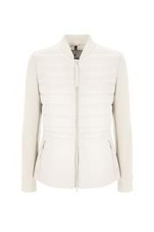 |  | 28 | ECRU | DOWN JACKET | GIUBBINO TAMARO | 100% POLYAMIDE | ADULT | FEMALE | CONTE OF FLORENCE | BANGLADESH | €30.00 | €79.00 | 6 | 1 | 2 | 1 | 1 | 1
FW | 6531087D | 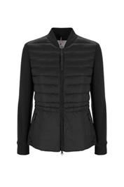 |  | 7 | BLACK | DOWN JACKET | GIUBBINO TAMARO | 100% POLYAMIDE | ADULT | FEMALE | CONTE OF FLORENCE | BANGLADESH | €30.00 | €79.00 | 6 |  |  | 2 | 1 | 2 | 1
FW | 6531084D | 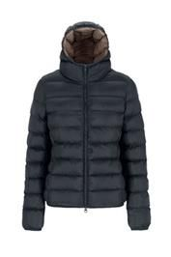 |  | 15 | DARK GREY | DOWN JACKET | GIUBBINO EVEREST | 100% POLYAMIDE | ADULT | FEMALE | CONTE OF FLORENCE | MYANMAR | €40.00 | €109.00 | 137 |  | 3 | 65 | 33 | 32 | 4
FW | 6531087D | 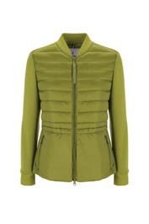 |  | 7072 | OLIVE | DOWN JACKET | GIUBBINO TAMARO | 100% POLYAMIDE | ADULT | FEMALE | CONTE OF FLORENCE | BANGLADESH | €30.00 | €79.00 | 14 | 1 | 2 | 5 | 5 | 1
FW | 6531085D | 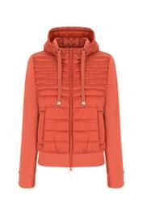 |  | 119 | CORAL | DOWN JACKET | GIUBBINO LOGAN | 100% POLYAMIDE | ADULT | FEMALE | CONTE OF FLORENCE | BANGLADESH | €30.00 | €79.00 | 64 |  |  | 30 | 30 | 4
FW | 6531075D | 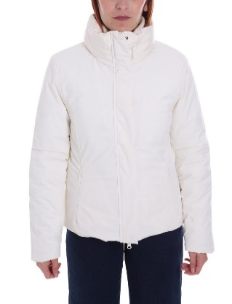 | 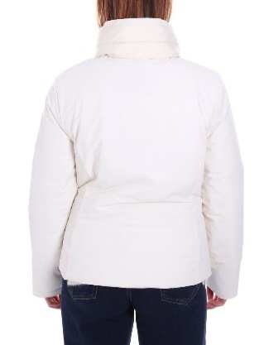 | 28 | ECRU | DOWN JACKET | GIUBBINO FUJI | 88% POLYAMIDE 12% ELASTANE | ADULT | FEMALE | CONTE OF FLORENCE | MYANMAR | €71.00 | €185.00 | 94 | 3 | 5 | 16 | 17 | 53
FW | 6531075D | 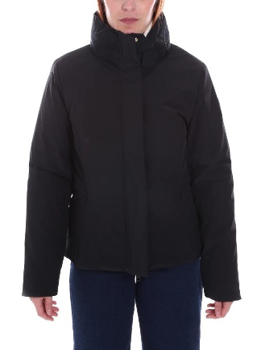 | 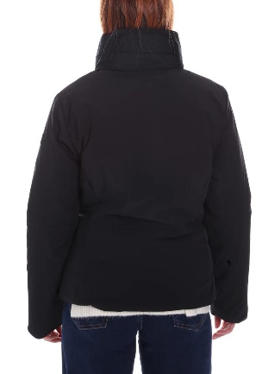 | 1096 | YELLOW | DOWN JACKET | GIUBBINO FUJI | 88% POLYAMIDE 12% ELASTANE | ADULT | FEMALE | CONTE OF FLORENCE | MYANMAR | €71.00 | €185.00 | 151 | 11 | 33 | 28 | 28 | 37 | 14
FW | 6531075D |  |  | 7 | BLACK | DOWN JACKET | GIUBBINO FUJI | 88% POLYAMIDE 12% ELASTANE | ADULT | FEMALE | CONTE OF FLORENCE | MYANMAR | €71.00 | €185.00 | 17 | 17
FW | 6531068D | 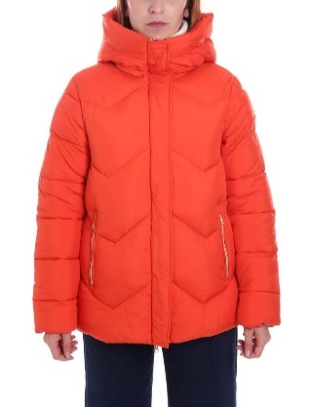 | 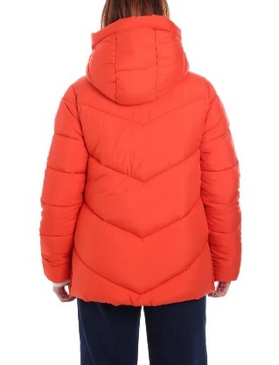 | 119 | CORAL | DOWN JACKET | GIUBBINO COOK | 100% POLYESTER | ADULT | FEMALE | CONTE OF FLORENCE | CHINA | €71.00 | €189.00 | 57 | 10 | 13 | 15 | 15 | 3 | 1
FW | 6531068D |  |  | 263 | TOBACCO | DOWN JACKET | GIUBBINO COOK | 100% POLYESTER | ADULT | FEMALE | CONTE OF FLORENCE | CHINA | €71.00 | €189.00 | 11 |  | 2 |  | 2 | 1 | 6
FW | 6531095D | 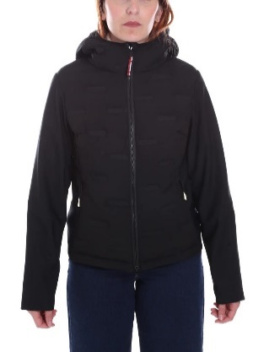 | 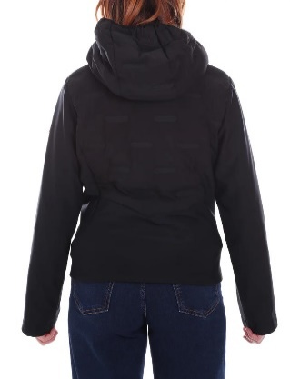 | 7 | BLACK | DOWN JACKET | GIUBBINO BAKER | 100% POLYESTER | ADULT | FEMALE | CONTE OF FLORENCE | CHINA | €59.00 | €155.00 | 32 |  |  | 32
FW | 6532040D | 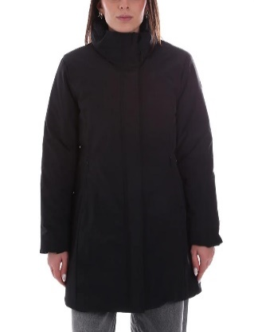 | 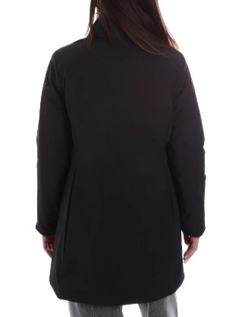 | 7 | BLACK | DOWN JACKET | GIACCONE RAINIER | 88% POLYAMIDE 12% ELASTANE | ADULT | FEMALE | CONTE OF FLORENCE | MYANMAR | €78.00 | €209.00 | 1 |  |  | 1
FW | 6531085D | 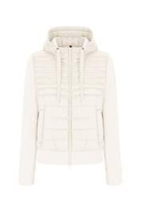 |  | 28 | ECRU | DOWN JACKET | GIUBBINO LOGAN | 100% POLYAMIDE | ADULT | FEMALE | CONTE OF FLORENCE | BANGLADESH | €30.00 | €79.00 | 1 |  |  |  |  | 1
FW | 6532054D | 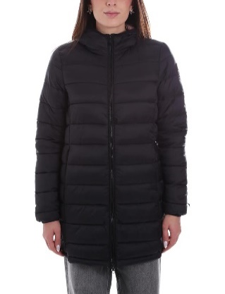 | 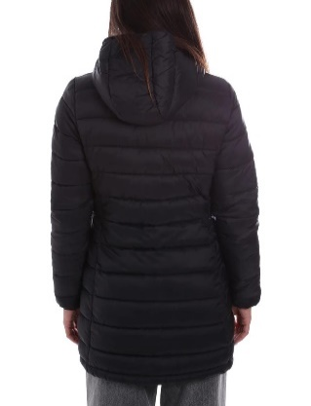 | 15 | DARK GREY | DOWN JACKET | GIACCONE MC KINLEY | 100% POLYAMIDE | ADULT | FEMALE | CONTE OF FLORENCE | MYANMAR | €47.00 | €125.00 | 2 |  |  |  |  |  | 2
FW | 6532045D | 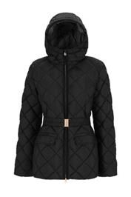 |  | 7 | BLACK | DOWN JACKET | GIACCONE BIANCO | 45% POLYESTER 55% POLYAMIDE | ADULT | FEMALE | CONTE OF FLORENCE | MYANMAR | €92.00 | €239.00 | 2 | 2
FW | 6531084D | 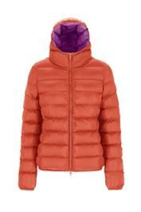 |  | 119 | CORAL | DOWN JACKET | GIUBBINO EVEREST | 100% POLYAMIDE | ADULT | FEMALE | CONTE OF FLORENCE | MYANMAR | €40.00 | €109.00 | 17 |  |  |  | 17
FW | 6531084D | 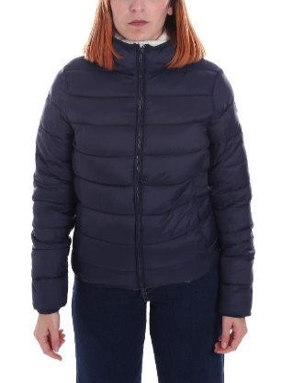 | 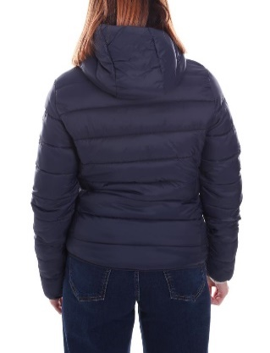 | 730 | DARK BLUE | DOWN JACKET | GIUBBINO EVEREST | 100% POLYAMIDE | ADULT | FEMALE | CONTE OF FLORENCE | MYANMAR | €40.00 | €109.00 | 19 |  |  |  | 17 |  | 2
FW | 6531082U | 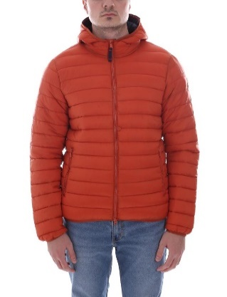 | 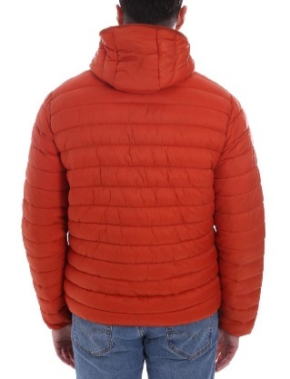 | 1707 | PUMPKIN | DOWN JACKET | GIUBBINO GRAN PARADISO | 100% POLYAMIDE | ADULT | MALE | CONTE OF FLORENCE | MYANMAR | €40.00 | €109.00 | 10 |  |  |  |  |  | 10
FW | 6531087U | 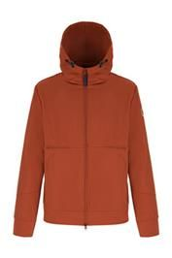 |  | 1707 | PUMPKIN | DOWN JACKET | GIUBBINO MALINCHE | 100% POLYESTER | ADULT | MALE | CONTE OF FLORENCE | BANGLADESH | €52.00 | €129.00 | 23 |  |  |  |  |  | 11 | 9 | 3
FW | 6531082U | 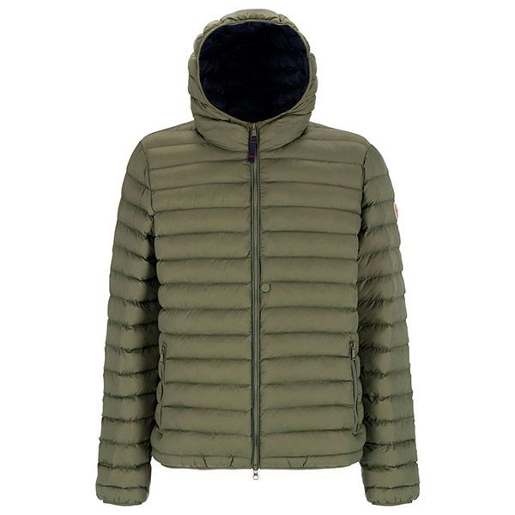 |  | 37 | MILITARY | DOWN JACKET | GIUBBINO GRAN PARADISO | 100% POLYAMIDE | ADULT | MALE | CONTE OF FLORENCE | MYANMAR | €40.00 | €109.00 | 2 |  |  |  | 1 |  |  |  | 1
FW | 6537009D | 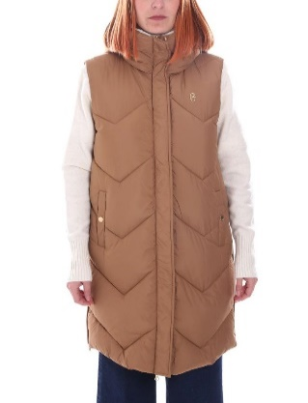 | 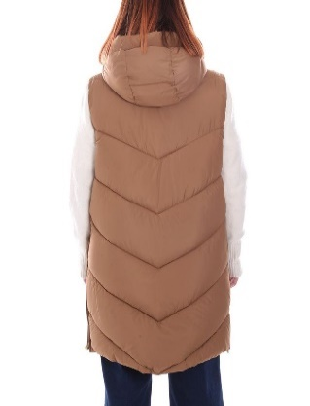 | 263 | TOBACCO | DOWN VEST | GILET RITTER | 100% POLYESTER | ADULT | FEMALE | CONTE OF FLORENCE | CHINA | €54.00 | €145.00 | 1 |  |  | 1
FW | 6531097U | 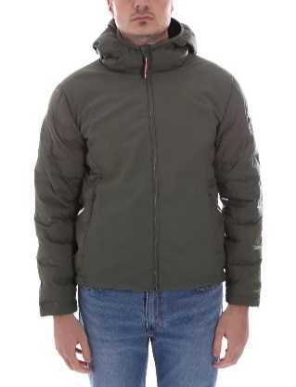 | 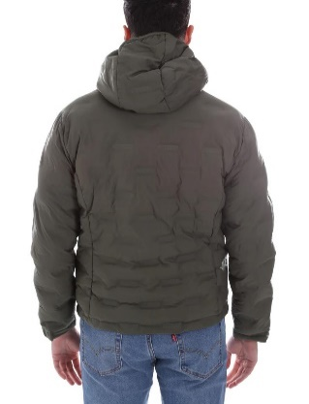 | 37 | MILITARY | DOWN JACKET | GIUBBINO MONVISO | 100% POLYESTER | ADULT | MALE | CONTE OF FLORENCE | CHINA | €59.00 | €155.00 | 2 |  |  |  |  |  |  |  | 2
FW | 6532040D | 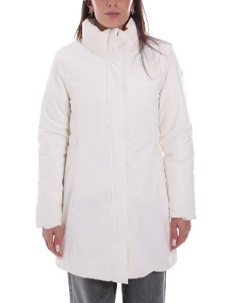 | 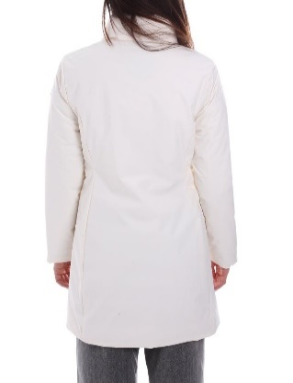 | 28 | ECRU | DOWN JACKET | GIACCONE RAINIER | 88% POLYAMIDE 12% ELASTANE | ADULT | FEMALE | CONTE OF FLORENCE | MYANMAR | €78.00 | €209.00 | 2 |  |  |  |  |  | 2
FW | 6532038D | 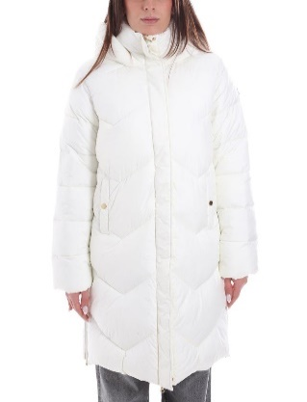 | 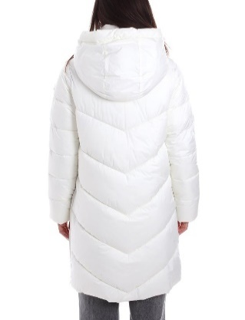 | 28 | ECRU | DOWN JACKET | GIACCONE FITZ ROY | 100% POLYESTER | ADULT | FEMALE | CONTE OF FLORENCE | CHINA | €83.00 | €215.00 | 2 |  |  | 1 |  | 1
FW | 6532045D | 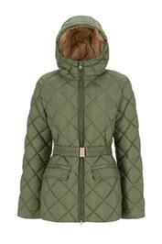 |  | 4 | GREEN | DOWN JACKET | GIACCONE BIANCO | 45% POLYESTER 55% POLYAMIDE | ADULT | FEMALE | CONTE OF FLORENCE | MYANMAR | €92.00 | €239.00 | 6 |  |  |  |  |  | 6
FW | 6547005D | 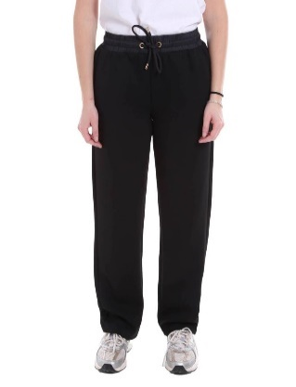 | 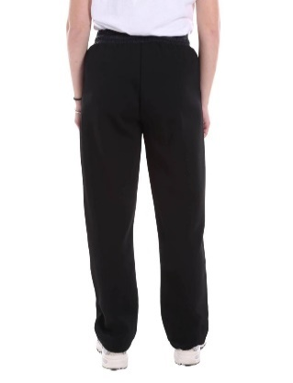 | 7 | BLACK | PANTS | PANTALONE ROBSON | 100% POLYAMIDE | ADULT | FEMALE | CONTE OF FLORENCE | BANGLADESH | €22.00 | €59.00 | 5 |  | 1 | 1 | 2 | 1
FW | 6547005D | 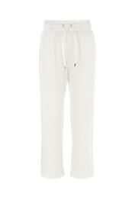 |  | 28 | ECRU | PANTS | PANTALONE ROBSON | 100% POLYAMIDE | ADULT | FEMALE | CONTE OF FLORENCE | BANGLADESH | €22.00 | €59.00 | 5 |  | 2 | 2 | 1
FW | 6547019D | 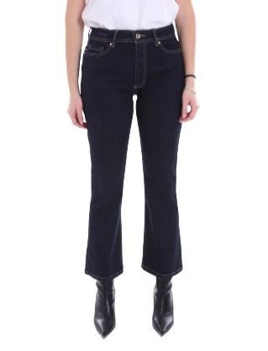 | 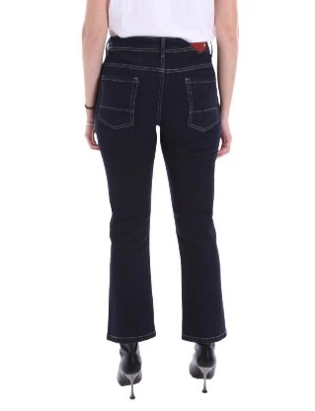 | 730 | DARK BLUE | JEANS | JEANS BESSAN | 98% COTTON 2% ELASTANE | ADULT | FEMALE | CONTE OF FLORENCE | BANGLADESH | €28.00 | €79.00 | 113 |  |  |  |  |  |  |  |  |  |  | 35 | 35 | 35 | 8
FW | 6547014U | 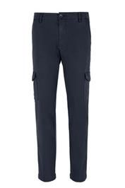 |  | 730 | DARK BLUE | PANTS | CARGO BERNINA | 97% COTTON 3% ELASTANE | ADULT | MALE | CONTE OF FLORENCE | BANGLADESH | €35.00 | €95.00 | 90 |  |  |  |  |  |  |  |  |  |  |  |  | 4 | 26 | 30 | 5 | 20 | 5
FW | 6547012U | 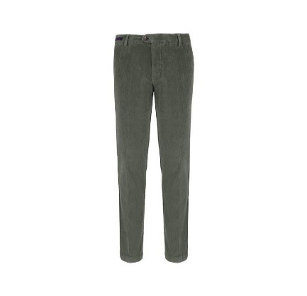 |  | 1496 | SMOKE | PANTS | CHINO VIGNEMALE | 98% COTTON 2% ELASTANE | ADULT | MALE | CONTE OF FLORENCE | BANGLADESH | €33.00 | €85.00 | 67 |  |  |  |  |  |  |  |  |  |  |  |  | 8 | 27 | 4 | 6 |  | 7 | 15
FW | 6547020D | 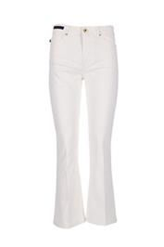 |  | 28 | ECRU | JEANS | JEANS YOTEI | 98% COTTON 2% ELASTANE | ADULT | FEMALE | CONTE OF FLORENCE | BANGLADESH | €29.00 | €79.00 | 40 |  |  |  |  |  |  |  |  | 1 | 39
FW | 6547020D | 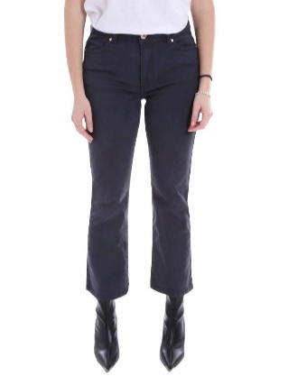 | 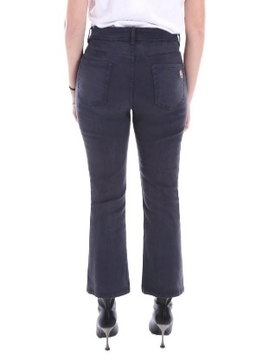 | 730 | DARK BLUE | JEANS | JEANS YOTEI | 98% COTTON 2% ELASTANE | ADULT | FEMALE | CONTE OF FLORENCE | BANGLADESH | €29.00 | €79.00 | 41 |  |  |  |  |  |  |  |  |  |  | 17 | 24
FW | 6547020D | 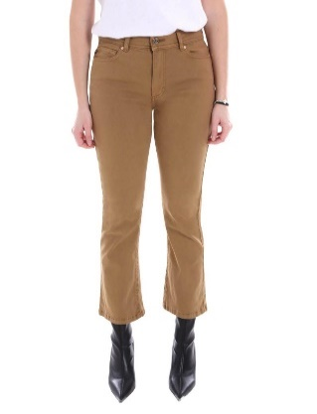 | 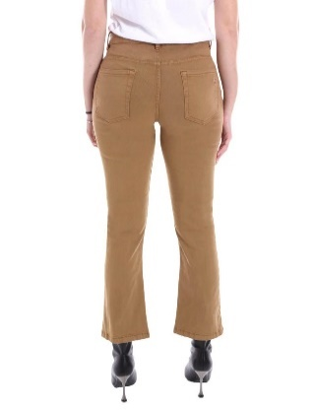 | 263 | TOBACCO | JEANS | JEANS YOTEI | 98% COTTON 2% ELASTANE | ADULT | FEMALE | CONTE OF FLORENCE | BANGLADESH | €29.00 | €79.00 | 22 |  |  |  |  |  |  |  |  |  | 1 | 7 | 12 | 2
FW | 6547012U | 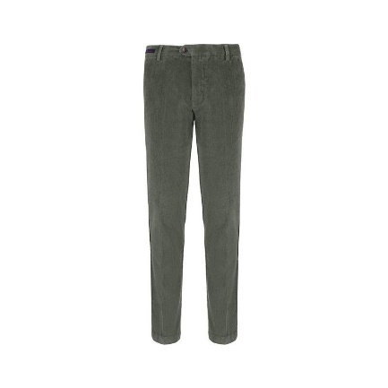 |  | 321 | WALNUTS | PANTS | CHINO VIGNEMALE | 98% COTTON 2% ELASTANE | ADULT | MALE | CONTE OF FLORENCE | BANGLADESH | €33.00 | €85.00 | 106 |  |  |  |  |  |  |  |  |  |  |  |  | 12 | 42 | 33 | 18 | 1
FW | 6547012U |  |  | 4 | GREEN | PANTS | CHINO VIGNEMALE | 98% COTTON 2% ELASTANE | ADULT | MALE | CONTE OF FLORENCE | BANGLADESH | €33.00 | €85.00 | 47 |  |  |  |  |  |  |  |  |  |  |  |  |  | 37 | 10
FW | 6547014U | 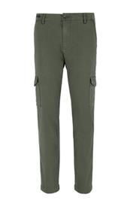 |  | 4 | GREEN | PANTS | CARGO BERNINA | 97% COTTON 3% ELASTANE | ADULT | MALE | CONTE OF FLORENCE | BANGLADESH | €35.00 | €95.00 | 88 |  |  |  |  |  |  |  |  |  |  |  |  |  | 31 |  | 21 | 23 | 6 | 7
FW | 6547005D | 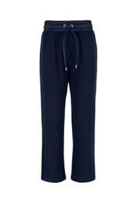 |  | 730 | DARK BLUE | PANTS | PANTALONE ROBSON | 100% POLYAMIDE | ADULT | FEMALE | CONTE OF FLORENCE | BANGLADESH | €22.00 | €59.00 | 2 |  | 1 |  | 1
FW | 6547012U |  |  | 730 | DARK BLUE | PANTS | CHINO VIGNEMALE | 98% COTTON 2% ELASTANE | ADULT | MALE | CONTE OF FLORENCE | BANGLADESH | €33.00 | €85.00 | 28 |  |  |  |  |  |  |  |  |  |  |  |  |  |  | 6 | 22
FW | 6547020D |  |  | 7 | BLACK | JEANS | JEANS YOTEI | 98% COTTON 2% ELASTANE | ADULT | FEMALE | CONTE OF FLORENCE | BANGLADESH | €29.00 | €79.00 | 18 |  |  |  |  |  |  |  |  |  |  |  |  | 18
FW | 6547013U |  |  | 7 | BLACK | PANTS | CHINO ARCALOD | 88% POLYAMIDE 12% ELASTANE | ADULT | MALE | CONTE OF FLORENCE | BANGLADESH | €32.00 | €85.00 | 87 |  |  |  |  |  |  |  |  |  |  |  |  |  |  |  | 87
FW | 6547012U |  |  | 392 | WHITE | PANTS | CHINO VIGNEMALE | 98% COTTON 2% ELASTANE | ADULT | MALE | CONTE OF FLORENCE | BANGLADESH | €33.00 | €85.00 | 7 |  |  |  |  |  |  |  |  |  |  |  |  | 7
FW | 6547014U |  |  | 321 | WALNUTS | PANTS | CARGO BERNINA | 97% COTTON 3% ELASTANE | ADULT | MALE | CONTE OF FLORENCE | BANGLADESH | €35.00 | €95.00 | 32 |  |  |  |  |  |  |  |  |  |  |  |  |  | 32

